PLAN
Name of Work:-Repairing and Renovation of Circuit House at Bokakhat Co District under Golaghat District

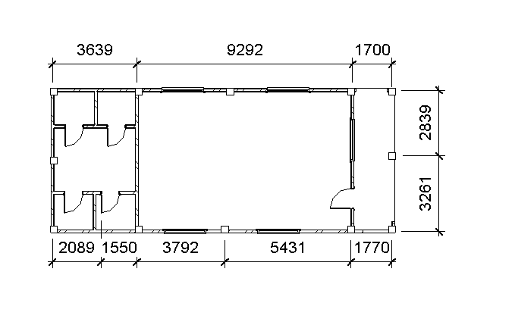

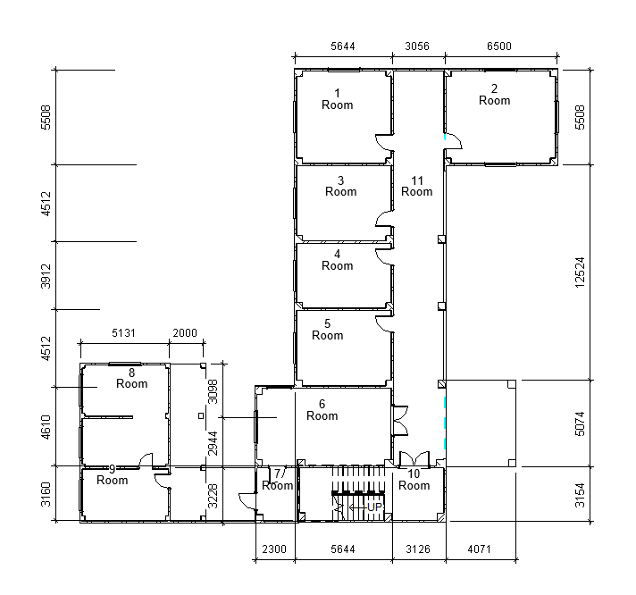

 | NOTE: 1) All Dimensions are in millimeters.

